Dashboard
IR Remote -iOS
IR Remote
Product | Closed
AC | 47
TV | 6
STB | 28

AC
Sr No | Issue Description | Priority | Status | Result | AppCenter Version | Remarks/Attachments | Responsibility
1 | Click on "Change WiFi Password" Button . App crashed | High | Closed | Pass | 450 |  | Development Team
2 | Click on "Pen icon" for Edit Device Name , App crashed | High | Closed | Pass | 450 |  | Development Team
3 | Remove Device option not working | High | Closed | Pass | 450 |  | Development Team
4 | On Select AC Brand and Model Page, During Search Brand App Crashed 2 times . Log attached in email | High | Closed | Pass | 447 |  | Development Team
5 | On Select AC Brand and Model Page , Type the AC Brand and Type the model then App Crashed E.g Type Brand As Panasonic and then model start typing . It will crash | High | Closed | Pass | 450 |  | Development Team
6 | Onboarding Instructions need to revised as per current Zeplin Screens . Please remove Blaster word everywhere from application | High | Closed | Pass | 450 | 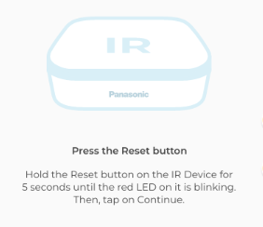 | Development Team
7 | On Widget Instructions "Tap on add Remote Add your Room device remotes here and access them all from a single Place! Here "Room" should be actual added name of Room instead of Hardcode to Living Room "Room" should be update according to move device from one Room to another Room | High | Closed | Pass | 447 |  | Testing Team
8 | On IR Remote details page Instructions "Tap on add Remote Add your Room device remotes here and access them all from a single Place! Here "Room" should be actual added name of Room instead of Hardcode to Living Room "Room" should be update according to move device from one Room to another Room | High | Closed | Pass | 447 |  | Testing Team
9 | In Explorer Journey , For Test Remote Keys Heading is missing and Text are Bold | High | Closed | Pass | 450 | 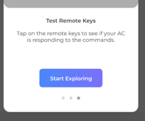 | Development Team
10 | in Explorer Journey , Instruction Page Sheet not as per final UX Design | Medium | Closed | Pass | 450 |  | Development Team
11 | Select AC Remote Page ..Title Bar must be Tapable completely | High | Closed | Pass | 450 |  | Development Team
12 | In Select Brand and Model Bottom sheet , Button name should be Confirm instead of Conform | Medium | Closed | Pass | 450 |  | Development Team
13 | On Select AC Remote , Click on Explorer remote always shows nstruction "Tap on each key to test this remote . if the keys work , Select Remote, else explore other remotes" Instruction shows Circle checkbox with "Dont show this message again." This instructions need to show first time only .. It should not persistent | High | Closed | Pass | 450 | 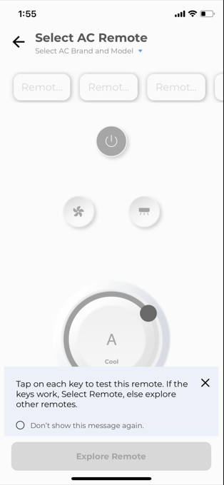 | Development Team
14 | On Explorer Remote Page , Please correct capabilities on UI . Why we are showing "A" for AC Mode | High | Closed | Pass | 450 | 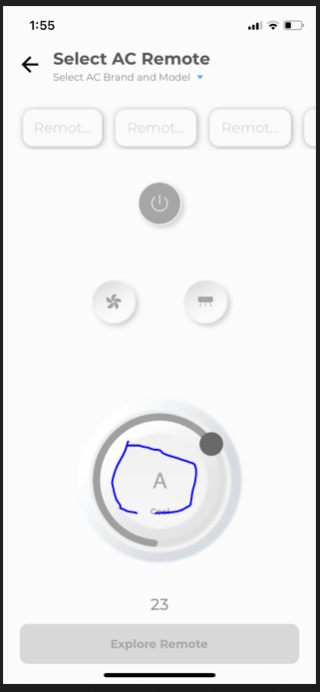 | Development Team
15 | On Save Remote Page , a. Bottom sheet should not pull Up Untill Keypad not launch . In current state without keypad Bottom sheet showing white blank space . This is not as per our UX Design b. Save Remote button is ovelapping and showing incomplete | High | Closed | Pass | 450 |  | Development Team
16 | On Select AC Remote Page , Arrow for Model need to make bigger for better visibility .. See attached image | Medium | Closed | Pass | 450 | 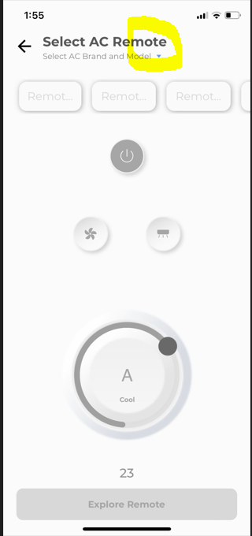 | Development Team
17 | On Explorer Remote Page , User must need to show Remote 1 to Remote 9 Options . In current state it is showing more than 9 Options . Please stick to 9 Available options .. Currently it is showing 10 options | High | Closed | Pass | 450 |  | Development Team
18 | IR Remote A name on widget are not correct . It must consume device name on widget | High | Closed | Pass | 450 | 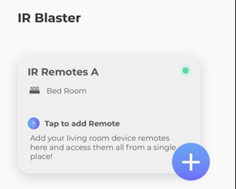 | Development Team
19 | Brand Name should be in Capital on Setting Page | Low | Closed | Pass | 450 |  | Development Team
20 | Text for Model must be "Model Number " as a Title and Mode should IRB-BLAZE01 instead of IRB-BLAZE01[TON[ | High | Closed | Pass | 450 |  | Development Team
21 | Rename Device option for Virtual Remote sometimes option itself not showing .. If in case it shown then option not working . | High | Closed | Pass | 450 |  | Development Team
22 | On Explorer Remote Page and Before Save .. If User try control PS status ON/OFF then UI shows OFF state for AC ON Condition and ON State for AC OFF Condition | High | Closed | Pass | 450 |  | Development Team
23 | Sometimes for FAN Speed [Auto , Medium etc] 2 MQTT Commands are coming | High | Closed | Pass | 450 |  | Development Team
24 | User in Cool Mode > if he change temperature below or above 25 > then next mode not able to change > It shows cool and heat mode [If supported] and Auto /Dry mode is unavailable | High | Closed | Pass | 450 |  | Development Team
25 | Instructions for Tap on each key not as per final UX Please refer figma for colours and font | Medium | Closed | Pass | 450 |  | Development Team
26 | While adding AC remote, "Confirm" Button is not highligting even after adding the Brand and model number | High | Closed | Pass | 450 |  | Development Team
27 | On select AC brand and model page, choose brand e.g. Panasonic. Then from pre populated list select the model>After selection Edit model number> Confirm On explore page title bar it shows earlier selected model number instead of last edited model number | High | Closed | Pass | 450 |  | Development Team
28 | While saving Remote, "Save Remote" is enabled state by default. | High | Closed | Pass | 450 |  | Development Team
29 | Keypad screen is overlaped with "Save Remote" Button. When keypad screen opens, "Save Remote" button need to scroll up. | High | Closed | Pass | 450 |  | Development Team
30 | In auto mode UI updating the AC temperature while adding the remote and from Save Remote but as per Matrix we should not allow | High | Closed | Pass | 450 |  | Development Team
31 | For Diagnose Journey for IR Remote must Reonboarding Device . It is showing Error Code list after click on Continue ..Please refer Android and fixed it | High | Closed | Pass | 450 |  | Development Team
32 | Temperature on Save Remote page shows in format 25.0 Degree .See attached video send you | High | Closed | Pass | 450 |  | Development Team
33 | User in Cool Mode > if User Change FAN Speed from Auto to Low , Mid or High > Change Mode > App keep showing > The command is not available | High | Closed | Pass | 450 |  | Development Team
34 | In FAN , Dry mode , UI Updating for AC temperature but as per Matrix we should not allow | High | Closed | Pass | 450 |  | Development Team
35 | User in Cool Mode> Press App Back Button > User in Dashboard > Click on Widget Again>Select AC Remote > Now Mode change to Auto | High | Closed | Pass | 450 |  | Development Team
36 | List of AC Models showing for iOS are different than Android | High | Closed | Pass | 450 |  | Development Team
37 | Please remove Online Text from Title Bar for Child Devices [Like AC Remote ,TV Remote and STB Remote] | High | Closed | Pass | 451 |  | Development Team
38 | For Power Off Button . Off mentioned below button must be "Off" instead "OFF" | Medium | Closed | Pass | 451 |  | Development Team
39 | For Swing Button On/Off On - On Instead of ON Off - Off Instead of OFF | Medium | Closed | Pass | 451 |  | Development Team
40 | As per precedence logic , We should keep Auto FAN Mode as default for Auto , Dry and FAN AC Mode . If user press Auto FAN Mode then swing getting OFF if in case it Swing in ON condition | Medium | Open | Fail | 452 |  | Development Team
41 | In AC Remote , Power off state in cool mode , We must need to disable temperature indicator | High | Closed | Pass | 451 |  | Development Team
42 | For AC , TV and STB remote not available . A. Please show toast as "Please try other remote options.". B. Toast should be snackbar with Blue Background and Text are Black" . Message should retain untill user not press X button | High | Closed | Pass | 451 |  | Development Team
43 | For Remove Remote , a. Toast should be in Red Colour background - Please check Android b. Message should be "Remote Name" are removed Sucessfully | High | Closed | Pass | 451 |  | Development Team
44 | On IR Remote Widget , Blue icon not aligned with "Tap to add Remote" | Medium | Closed | Pass | 451 |  | Development Team
45 | Please show IR Remote below curtain controller in Onboarding from Dashboard and Room Management to aligned with Android | High | Closed | Pass | 452 |  | Development Team
46 | Even if the ir remote device is offline, we are allowing users to add virtual devices. We must ask user to make the device online first before pressing the + button to add a remote | Medium | Closed | Pass | 452 |  | Development Team
47 | Changes in the param of control topic payload to support IR Remote firmware v1.07 | Medium | Closed | Pass | 452 |  | Development Team

TV
Sr No | Issue Description | Priority | Status | Result | AppCenter Version | Remarks/Attachments | Responsibility
1 | On Explorer TV Remotes page , Please add TV text before Remote “ Explore TV Remote options and choose the remote that works best with your TV.” | Low | Closed | Pass | 471 |  | Development Team
2 | On Explorer – Attached image bug need to be fix – Refer attach image for your reference | Medium | Closed | Pass | 471 |  | Development Team
3 | On Save Remote Page – For Input , in Android we not opening any bottom sheet . | High | Closed | Pass | 471 |  | Development Team
4 | On Explorer Remote , If any command not supporting message should be “The command is not supported” | Medium | Closed | Pass | 471 |  | Development Team
5 | On Dashboard Widget , if only one categories are added then it must show on first place .. Don’t leave blank space if that category not added | Medium | Closed | Pass | 471 |  | Development Team
6 | On IR Remote Details Page , if only one categories are added then it must show on first place .. Don’t leave blank space if that category not added | Medium | Closed | Pass | 471 | 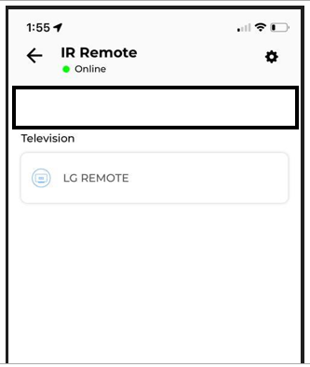 | Development Team

